SIT-CVM-DDM-01
▣ Scenario SIT-CVM-DDM-01 :Data Download Management

Communication
SCVM
Connection
Connect
Accept
Send Version Info
Send New Parameter List
Request File
Response File
Send Version Info
Send Acknowledgement
SMC
Repeat By File Count
Check Version
▶ Desc & Flow
Description |  | To provide the functions of downloading and updating.SCVM, and the downloaded data is stored in a different download folder. After checking the file updating conditions, SCVM starts the update process. SCVM receive Firmware (SCVM), Voice file,Operational parameter,Fare Table,Blacklist, Calendar date,Time, Line/Station information
Biz flow ( It describe briefly )

▶ Advance preparation
Preparation |  | SCVM 1 EA, SMC 1 EA

▶ Data
NO | Item | 1 | 2 | 3 | 4 | 5
1 | N/A

001
Test Case SIT-CVM-DDM-01-001 : Download files from SMC

1. Test Scenario
Test date |  | 1st |  | Tester |  | 1st
 |  | 2nd |  |  |  | 2nd
 |  | 3rd |  |  |  | 3rd

Send current version information of operstional files
Download the operational files
Update the operational files
Description |  | Download files from SMC |  |  |  |  | Written by |  | Süleyman Kabadayı
Flow

NO | Task | Test data | Expected result | Person in charge | Result |  | Pass/Fail |  |  | Remark
 |  |  |  |  |  |  | 1st | 2nd | 3rd
1 | 1.SCVM sends the current version information of files | Test Data : A | Success to send | KIM J.E. | 1st |  |  |  |  | Test Data:C
 |  |  |  |  | 2nd
 |  |  |  |  | 3rd
2 | 1.SCVM downloads files from SMC(if sends SMC) | Test Data : B | d | Person in charge | 1st |  |  |  |  | Test Data:C
 |  |  |  |  | 2nd
 |  |  |  |  | 3rd
3 | 1. SCVM updates the dowloaded files | Test Data : B | Success to Update | KIM J.E. | 1st |  |  |  |  | Test Data:D
 |  |  |  |  | 2nd
 |  |  |  |  | 3rd

NO | Item
A | current verion information file | MM606
B | downloaded files | In case of SMC for METRO : FM ~~ In case of SMC for TrainOSE : FS ~~ FM(FS)031.~ (new version) FM(FS)305.~ (new version) FM(FS)306.~ (new version) FM(FS)614.~ (new version) FM(FS)617.~ (new version) FM(FS)618.~ (new version) FM(FS)620.~ (new version) FM(FS)621.~ (new version) FM(FS)623.~ (new version) FM(FS)624.~ (new version) FM(FS)625.~ (new version) FM(FS)626.~ (new version) FM(FS)627.~ (new version) FM(FS)628.~ (new version) FM(FS)638.~ (new version) ... (the list of these files can be changed in the future as the changing of software logics)
C | 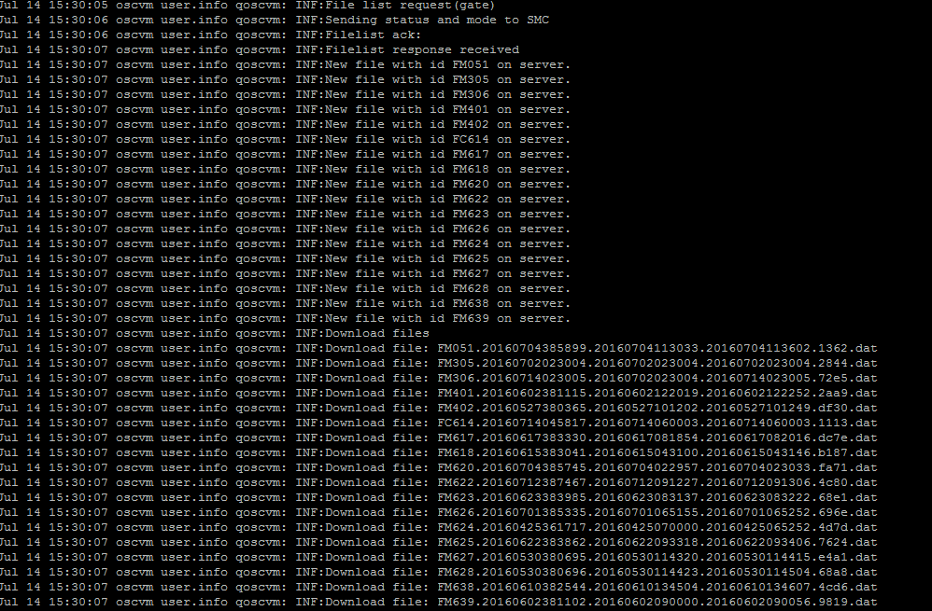

D | 